Sheet1
DATE | INV.NO | DESCRIPTION | QTY | BILLS | PRICE | SUBTOTAL | TOTAL | TOTAL AFTER TAX
2025-12-24 | #36 | CHERRY DUMPLINGS, 1000 G | 1 | 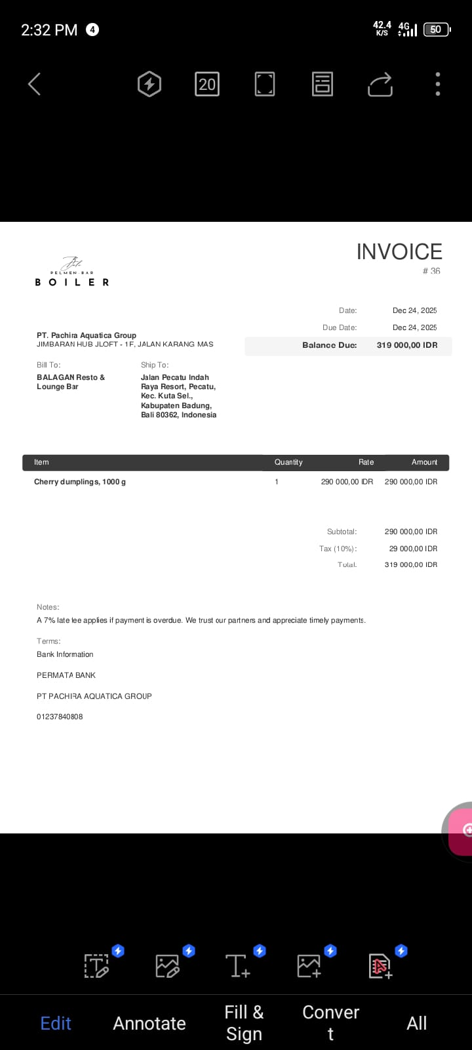 | Rp290,000 | Rp290,000 | Rp290,000 | Rp319,000
 |  |  |  |  |  | Rp-
 |  |  |  |  |  | Rp-
TOTAL |  |  |  | Rp319,000

